Sheet1
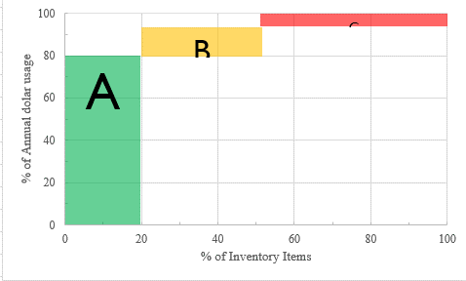
Challenge 25: ABC Inventory Analysis
ABC Inventory Analysis categorizes items into three classes:
A: 20% of items, consuming 80% of the budget.
B: 30% of items, using 15% of the budget.
C: The remaining 50% of items.
To classify items, follow these steps:
S1: Calculate AVG spending value as Average Inventory * Value per Unit.
S2: Sort items by Step 1 values in descending order.
S3: Compute the cumulative percentage of totals from Step 2.
S4: Classify the top items (up to 20% of items) as Class A until reaching 80% of the spending, then the next as Class B (up to 30% of items) until 20% of the total is reached, with the remainder as Class C.
Question |  |  | Result
Item Code | AVG Inventory (unit) | Value per unit ($) | Product | Class
x-9115 | 2 | 7.00 | x-1289 | A
x-9111 | 6 | 3.00 | x-2347 | A
x-8310 | 7 | 2.00 | x-2349 | B
x-8210 | 8 | 1.80 | x-2363 | B
x-7844 | 12 | 2.05 | x-2394 | B
x-6782 | 20 | 1.15 | x-2395 | B
x-2395 | 30 | 2.00 | x-7844 | C
x-2394 | 60 | 1.75 | x-6782 | C
x-2363 | 75 | 1.50 | x-9111 | C
x-2349 | 120 | 2.50 | x-8210 | C
x-2347 | 200 | 4.00 | x-9115 | C
x-1289 | 400 | 3.75 | x-8310 | C

